Application Screen
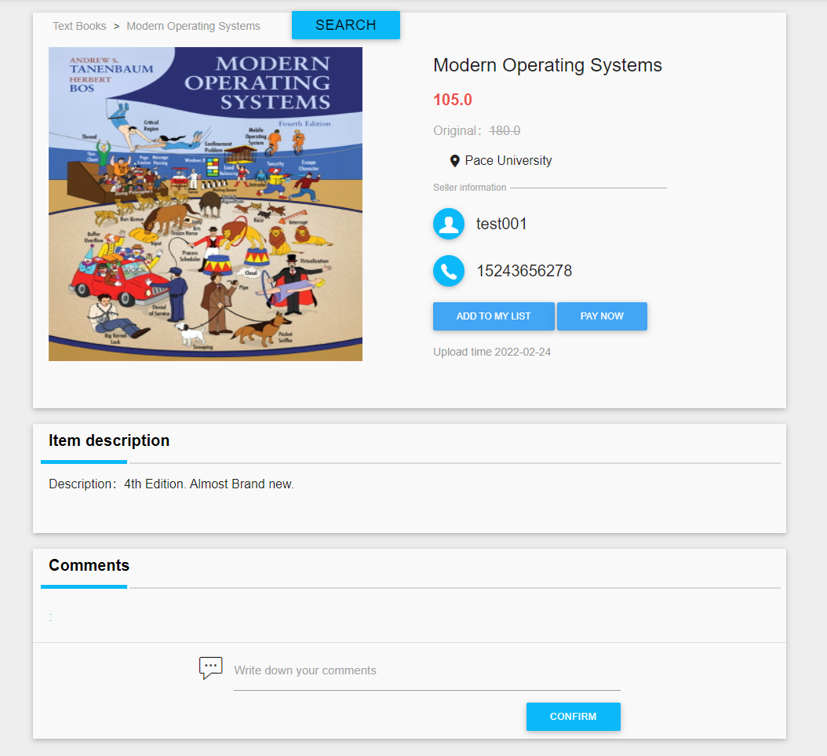

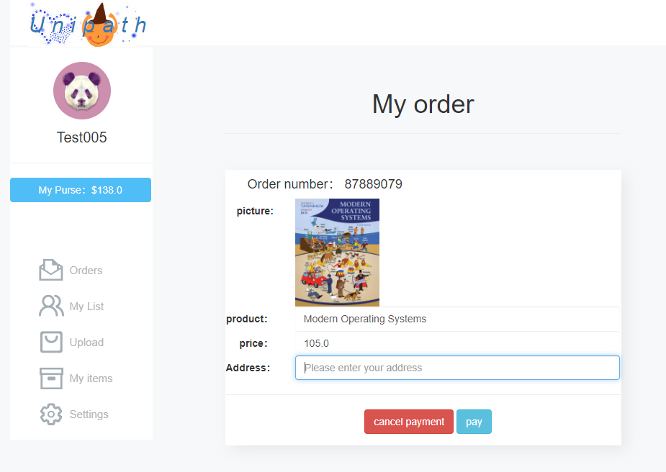

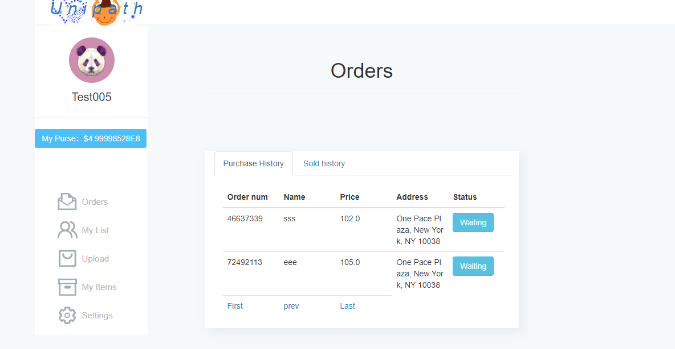

Test Case 1
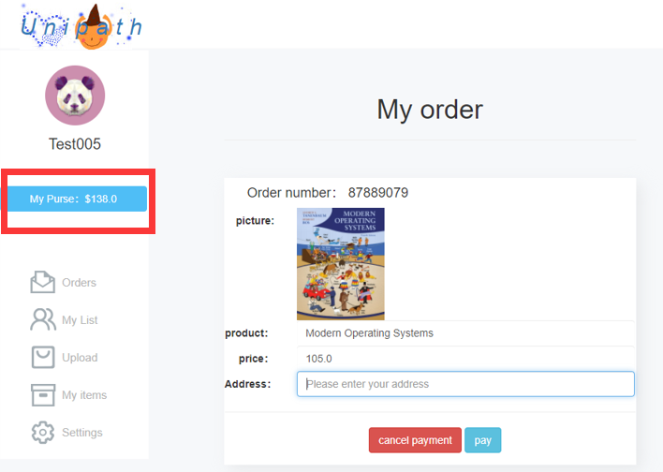
TC Title: | TC1. Make Payment - Core Functionality Testing

TC Objective: | Core Functionality checks whether the paying user can create an order and pay for it.

TC Description
 | Step | Step Description | Expected Results
 | 1 | Log in to the system with an authorized user | Successfully logged in to the system
 | 2 | Enter the Buy/Sell module | Successfully entered the Buy/Sell module
 | 3 | Click on a commodity | Successfully see the product details
 | 4 | Click on the pay now button | successfully enters the order page
 | 5 | Check goods prices and information | Commodity price and information match with the goods user want to buy
 | 6 | Fill in the address information Click the PAY button to purchase | Successfully create orders and buy
 | 7 | Check whether the user can purchase goods when the user balance is insufficient | Failed purchase
 | 8 | Check if no shipping address can place an order | Failed purchase

 | Note: | 1. The part in the red box shows the current user's balance in the system. If the balance is insufficient, the purchase of the item will fail.
 |  | 2. The current version only supports balance payment in the system. Currently, increasing the balance requires customer service operations, such as cash payment.

